Sheet1
BUILD A RECOMMENDING SYSTEM FOR VIDEO/MOVIE MANAGEMENT SYSTEM
No | Questions |  | Topic | Summary | Proposed approach | Method | Accuracy | Dataset
1 | What is recommendation system/ recommendation engine? |  | Recommender systems handbooks
2 |  | 2015 | Trends, Problems And Solutions of Recommender System | - Breed of some recommendation system: Advantages and Disadvantages of each system. A. Content-based Filtering R-S B. Collaborative Filtering R-S C. Demographi Filtering System D. Hybrid Recommender System E. Context-Aware Recommender System - Challenges and sollutions Cold-start, Privacym Over-specilization, Scalability, Sparsity, Freshness | 1. As the new user login to the system, system will collect all his demographic details and location based on his IP address 2. Since user is new to site so that it may fall for cold start problem so author recommend him the item that belongs to the dataset of most selling items. | Content-based methods, Collaborative methods, Demographic, Hybrid Methods
3 |  | 2005 | Toward the Next Generation of Recommender Systems: A Survey of the State-of-the-Art and Possible Extensions | Extending capabilities of recommender systems: - Comprehensive Understanding of Users and Items - Extensions for Model-Based Recommendation Techniques - Multidimensionality of Recommendations - Multcriteria Ratings - Nonintrusiveness - Flexibility - Effectiveness of Recommendations |  | Content-based methods, Collaborative Methods, Hybrid Methods
4 | Online Video Recommendation System | 2007 | VideoReach an online video recommendation system | - Multimodal Relevance - Fusion Strategy |  | Content-based methods, Collaborative Methods, Hybrid Methods |  | 13k video
5 | About the Youtube video recommendation system | 2010 | The Youtube Video Recommendation System | - Input data, - Related Videos, - Generating Recommendation Candidates, - User Interface, - Ranking - System Implementation | Recommendation system is a top-N recommender rather than a predictor. |  | "For example, recommendations account for about 60% of all video clicks from the homepage. " "Overall, we find that co-visitation based recommendation performs at 207% of the baseline Most viewed page when averaged over the entire period, while Top Favorited and Top Rated perform at similar levels or below the Most Viewed baseline"
6 |  | 2015 | Interactive Recommendation Systems | Interactive Recommendation Systems (Slide)
7 |  |  | Recommending Related YouTube Video | Explore new recommendation system, which unlike previous approaches more directly relies on Youtube's inherent graph struture - Link prediction using node2vec - Locality sensitive hashing for approximate related video prediction | Using graph node embeddings we train a neural network for link prediction and subsequently tackle the challenge of scalability by combining this with a locality sensitive hashing based approach. | node2vec locality sensitive hashing | "high accuracy"
8 |  | 2016 | Youtube Video Recommendation via Cross-Network Collaboration | Youtube Video Recommendation via Cross-Network Collaboration, 2016 | 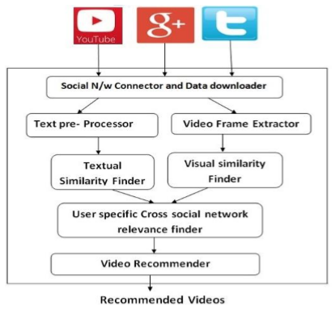
9 | How Youtube recommendation system can impact a user | 2010 | The impact of Youtube recommendation system on video views | 1. Data description, Data source, Data collection 2. Sources of video views Representativeness of Tracked Views, Main Sources of Overall Views, Dominant Sources for Individual Videos 3. How recommendation system affects video views The corelation between video views and referrer video views How the Position Affects Video Views 4. Impact on video view diversity |  |  | "Through the measurement of view sources, we ﬁnd that the related video recommendation accounts for about 30% of overall views."
10 |  | 2019 | Estimating Attention Flowing Online Video Networks | 1. Related Recommender systems and video recommendation Measuring the effects of recommender systems Measuring and predicting online attention 2. Constructing Youtube Video network VEVO Music Graph dataset Data collection strategy The network of Youtebe videos 3. Measuring Youtube Video network 4. Estimating attention flow in the Youtube video network |  |  | .Foranaveragevideoinourdataset,weestimatethat31.4%ofitsviewsarecontributedby therecommendationnetwork
11 |  | 2018 | The Good, the Bad and the Bait: Detecting and Characterizing Clickbait on Youtube | Clickbait có ảnh hưởng cái recommendation này không?

